1. Title Page
Instacart Basket Analysis

Project Name: Instacart Basket Analysis
Date: 12/14/2024
Analyst Name: Isavannah Reyes

Contents:
Population Flow
Consistency checks
Wrangling steps
Column derivations
Visualizations
Recommendations
Citation
“The Instacart Online Grocery Shopping Dataset 2017”, Accessed from www.instacart.com/datasets/grocery-shopping-2017 via Kaggle on 12/14/2024

2. Population Flow
Title page

Population flow

Exclusion flag
Condition: max_order <= 5
Obervations to be removed: 2,233,435
Final total count of order_products_all: 30,171,424

Orders_products_combined
Orders_products_merged
Orders_products_all

Total: 32,404,589
Total: 32,434,489
Total: 32,304,589

1.) The grey boxes in the first row of the population flow represent the original data sets as they were when you downloaded them. In the Total fields you need to add the count of the rows when you imported the data set into Jupyter.
2.) The second row of boxes (coloured) represents the data sets after you manipulated them, e.g., removed missing values and duplicates. In the Total fields you need to add the count of the rows after conducting these operations. This offers a visual oveview of how the data flows throughout the data consistency checks.
3.) The third row, where also the arrows are coloured, represents the merges you performed between the datasets. In the Total fields you need to add the count of the rows in the merged datasets, so that you end up with the final dataset (in the red box). Keep in mind the final dataset should be without exclusions (based on the exclusion flag).

3. Consistency checks
 |  |  |  | Title page
Consistency checks

Dataset | Missing values | Missing values treatment | Duplicates
orders | 206209 days_since_users_prior_order missing | kept as a null value in this field is valid | none
products | 16 missing 'product_name' | removed | 5 found and removed
orders_products_prior | none | none | none
customers | none | none | none

4. Wrangling steps
 |  |  |  | Title page
Wrangling steps

Columns dropped | Columns renamed | Columns' type changed | Comment/Reason
 |  | order_id | data type change, integer to string
 |  | user_id | data type change, integer to string
 | order_dow to orders_day_of_week |  | clarity
 | First Name to first_name |  | maintain naming convention
 | Surnam to last_name |  | maintain naming convention
 |  | loyalty_flag | changed to category
 |  | price_range_loc | changed to category
 |  | busiest_day | changed to category
 |  | busiest_days | changed to category
 |  | busies_period_of_day | changed to category
 |  | spending_flag | changed to category
 |  | order_frequency_flag | changed to category
 |  | fam_status | changed to category
 | Gender to gender | gender | maintain naming convention; changed to category
 | STATE to state |  | maintain naming convention
 |  | income | change to int32
 | dayss_since_prior_order to days_since_users_prior_order |  | clarity
 | n_dependants to n_dependents | n_dependents | correct spelling; change to int8
 | Age to age | age | maintain naming convention, change to int8
 |  | first_name | data type change, mixed to string
Unnamed: 0 |  |  | not needed
_merged |  |  | not needed
 |  | product_id | changed to int 32
 |  | reordered | chagned to int 8
 |  | add_to_cart_order | changed to int 32
 |  | order_id | changed to int32
 |  | aisle_id | changed to int8
 |  | department_id | changed to int8
eval_set |  |  | not needed
 | order_hour_of_day to order_time of_day |  | clarity
 |  | orders_day_of_week | changed to innt8
 |  | order_time_of_day | changed to int8
 |  | days_since_users_prior_order | changed to float16
 |  | order_number | changedto int

5. Column derivations
 |  |  |  | Title page

Column derivations and aggregations

Dataset | New column | Column/s it was derived from | Conditions
ords_prods_merge | price_range | prices | if prices <= 5 then 'Low-range product' if prices >5 & <= 15 then 'Mid-range product' if prices > 15 then 'High-range product' else 'not enough data'
ords_prods_merge | busiest_day | orders_day_of_week | if value == 0 then 'Busiest day' if value == 4 then 'Least busy' else 'Regularly busy'
ords_prods_merge | busiest_days | orders_day_of_week | if value == 0 or 1 then 'Busiest days' if value == 3 or 4 then 'Least busy days' else 'Regularly busy'
ords_prods_merge | busiest_period_of_day | order_time_of_day | if value == 10 then 'Most orders' if value == 3 then 'Fewest orders' else 'Average orders'
ords_prods_merge | loyalty_flag | max_order | if value > 40 then 'Loyal customer' if value <= 40 & > 10 then 'Regular customer' if value <= 10 then 'New customer'
ords_prods_merge | median_order_frequency | days_since_users_prior_order | median number of order per customer
ords_prods_merge | avg_spending | prices | average price per customer
ords_prods_merge | spending_flag | avg_spending | if value >= 10 then 'High spender' if value< 10 then 'Low customer'
ords_prods_merge | order_frequency_flag | median_order_frequency | if value <= 10 then 'non_frequent_customer' if value <= 20 & > 10 then 'regular customer' if value > 20 then 'frequent customer'
orders_products_customers | region | state | State defined into regions according to this List of regions of the United States
orders_products_customers | exclusion_flag | max_no_of_orders | if value <= 5 then 'low-activity customer' if value > 5 then 'high-activity customer'
high_activity | profile | age, fam_status_n_dependents | 18-30, no dependents, not married: single young adult 30 - 50, no dependents, not married: single adult 50 - 75, no dependents, not married: single older adult 75+, no dependents, not married: single elder 18-30, no dependents, married: young couple 30 - 50, no dependents, married: couple 50 - 75, no dependents, married: older couple 75+, 1+ dependents, married: elderly couple 18-30, 1+ dependents: young family 30 - 50, 1+ dependents: family 50 - 75, 1+ dependents: older family 75+, 1+ dependents: elderly family
high_activity | age_profile | age | 18-30: young adult 30 - 50: adult 50 - 75: older adult 75+: elder
high_activity | income_profile | income | 0 - 70,000: low income 70,000 - 120,000: median income 120,000+: high income

price_range |  | busiest_days
Mid-range product 21869869 |  | Regularly busy 12916111
Low-range product 10126321 |  | Busiest days 11864412
High-range product 417678 |  | Least busy days 7624336
Name: count, dtype: int64 |  | Name: count, dtype: int64

busiest_day |  | loyalty_flag
Regularly busy 22416875 |  | Regular customer 15876776
Busiest day 6204182 |  | Loyal customer 10284093
Least busy 3783802 |  | New customer 6243990
Name: count, dtype: int64 |  | Name: count, dtype: int64

busiest_period_of_day |  | order_frequency flag
Average orders 29591818 |  | Frequent customer 21559853
Most Orders 2761760 |  | Regular customer 7208564
Fewest orders 51281 |  | Non-frequent customer 3636437
Name: count, dtype: int64 |  | Name: count, dtype: int64

spending_flag |  | region
Low spender 31770629 |  | South 10791885
High spender 63430 |  | West 8292913
Name: count, dtype: int64 |  | Midwest 7597325
 |  | Northeast 5722736
 |  | Name: count, dtype: int64
exclusion_flag
high-activity customer 30171424 |  | income_profile
low-activity customer 2233435 |  | Median Income 12939304
Name: count, dtype: int64 |  | High Income 8958197
 |  | Low Income 8273923
 |  | Name: count, dtype: int64
profile
Older Adult Family 8765929 |  | age_profile
Older Adult Couple 7539213 |  | Older Adult 11725625
Adult Family 7120351 |  | Adult 9460742
Young Family 4610905 |  | Young Adult 6143408
Elderly Family 2135026 |  | Elder 2841649
Name: count, dtype: int64 |  | Name: count, dtype: int64

6. Visualizations
 |  |  |  |  |  |  |  | Title page

Visualisations
 | Objective: | Sale pattern discovery of Instacarts platform to increase sales and customers through targeted marketing. This is informed by observing current patterns across time, customer demographics and purchasing behaviors.

 | Order day of Week Legend
 | # | 0 | 1 | 2 | 3 | 4 | 5
What are the busiest days of the week and hours of the day? | Day | Saturday | Sunday | Monday | Tuesday | Wednesday | Thursday
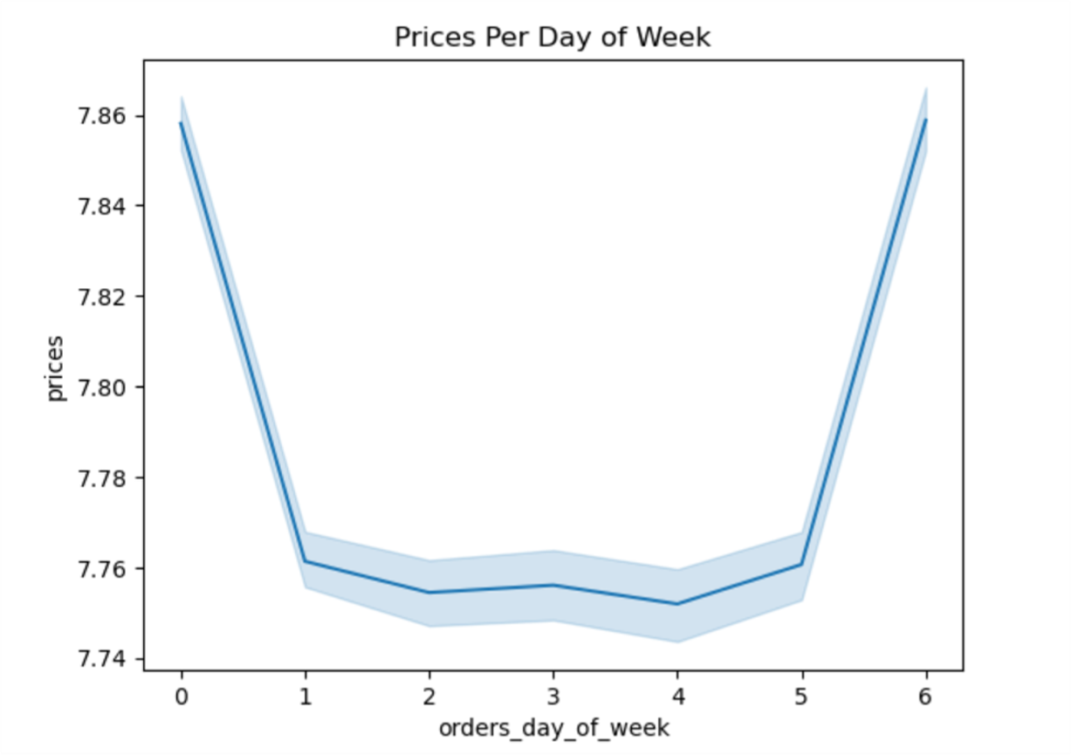 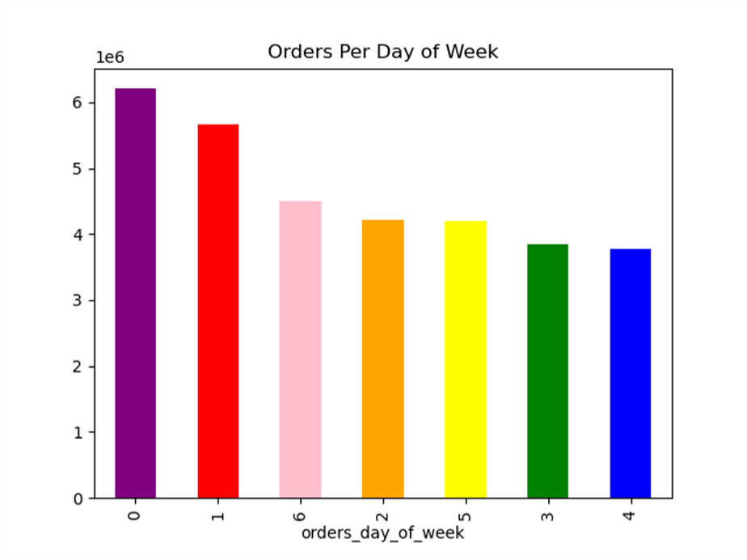 |  | 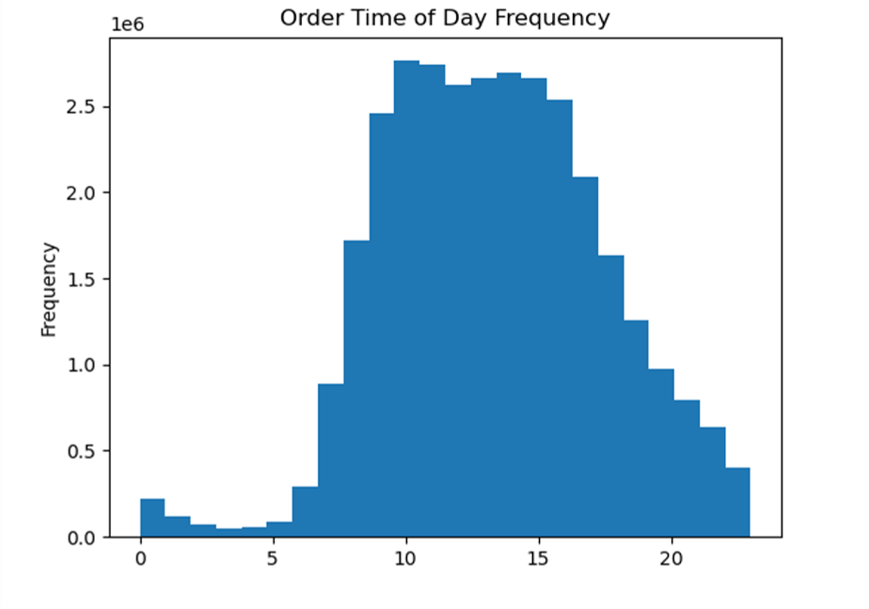 |  |  |  |  |  |  | 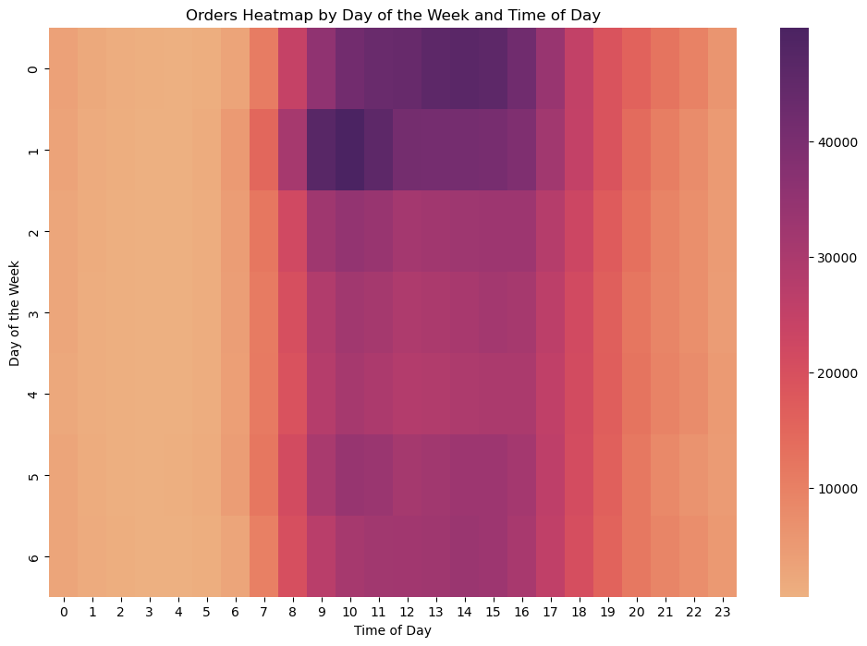

The busiest days are on the weekends with Sunday being the busiest day, taking up 19.14% of items ordered during the week. The weekend takes up 36.6% of the items ordered during the week. This is likely due to people getting ready for their work week coming ahead. We also see that the peak ordering hours are from about 10 am to 3 pm on most days of the week. This varies on the weekend with peak hours being from 1PM to 4 PM on Saturday and 8am to 11am on Sunday.. The best overall time to offer coupons or promotions to members would be at the start of this peak time. For example, on a Sunday at 8 am we could offer customers deals on "work week lunch items" such as deli meats, produce, cheese and bread. We see a very few amount of orders from midnight to 5am.

What is purchased at peak hours on Sundays? What is purchased on peak hours on Friday?

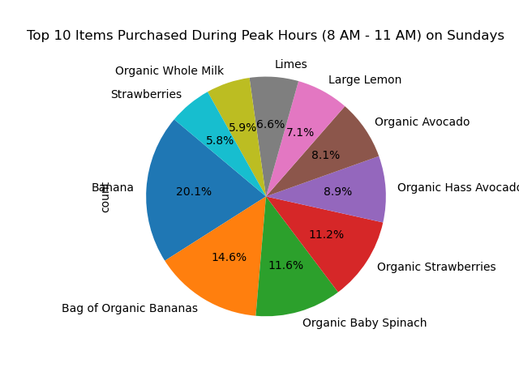 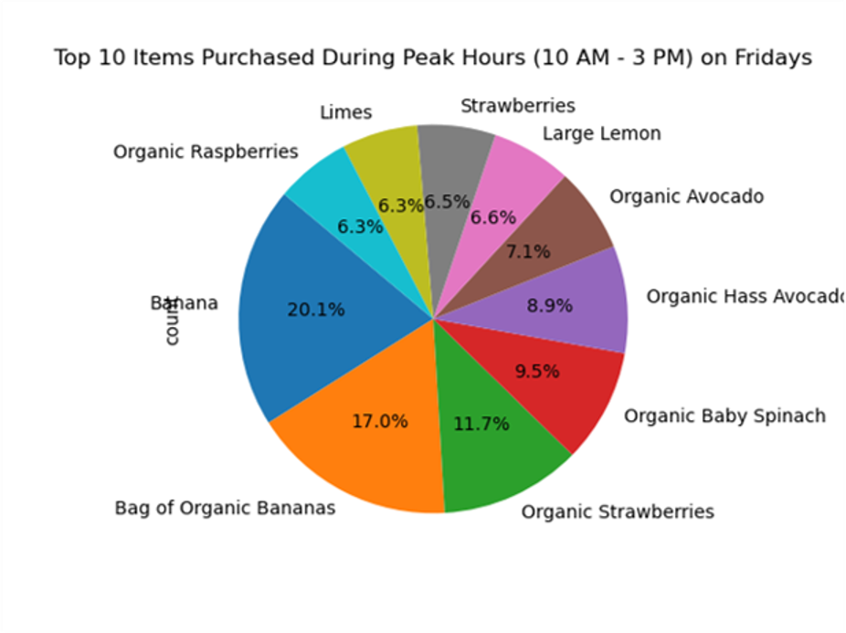

During peak hours on peak days the top items are consistently produce. I recommend that deals for produce be a top priority to gain and retain customers.
What time do customers spend the most money?

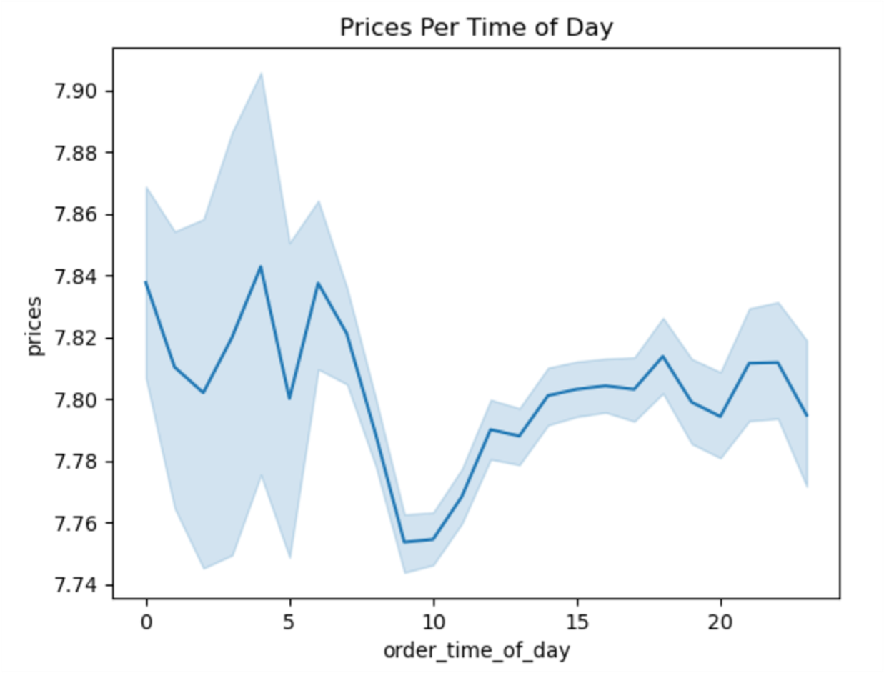

Customers spend the most money in the early hours of the morning. This may be due to the lack of availability to purchase items at this time. For example, if a child is sick the parents might want to order medicine that tends to be higher priced due to the lack of open stores during this time. Please note that this increase varies only by about 0.05 cents on average.

Are there certain types of products that are more popular than others?

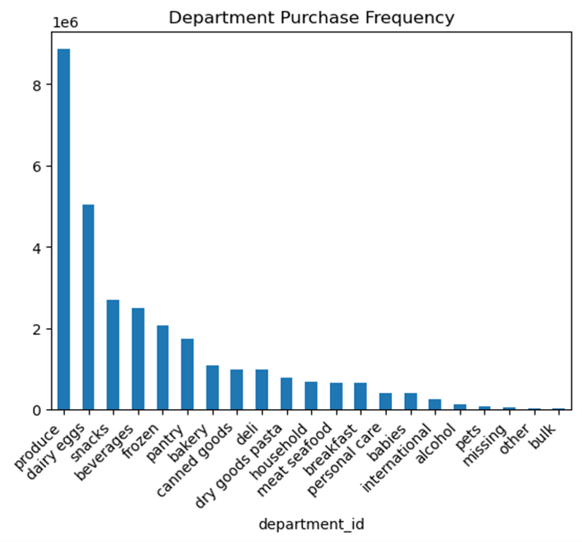

The most frequenctly purchased items are produce, dairy/eggs and snacks. Produce makes up 29.36% if purchases. The least purchased items are bulk items, and misc items. Produce is nutritionally important for humans and therefore used in most meals.

Whats the distribution among users in regards to their brand loyalty?

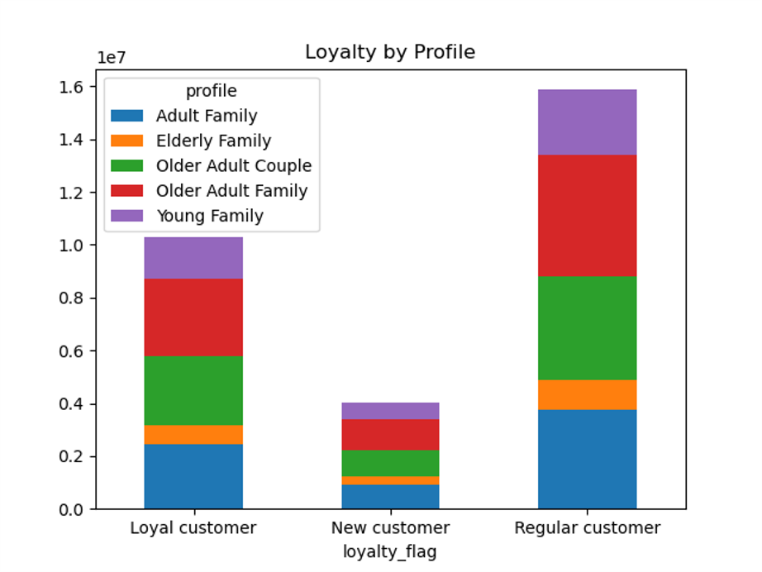

The most loyal customers are Older Adult Families and Couples. Instacart retains many older adult families. They also reign in the new customer categories as well. Older adult families and couples are more likely to have stable careers and income and therefore are more likely to afford a service such as Instacart. They also are well versed in technology - elderly families may struggle to use the app or not have awareness of it.

Are there difference in ordering habits based on customers loyalty status?

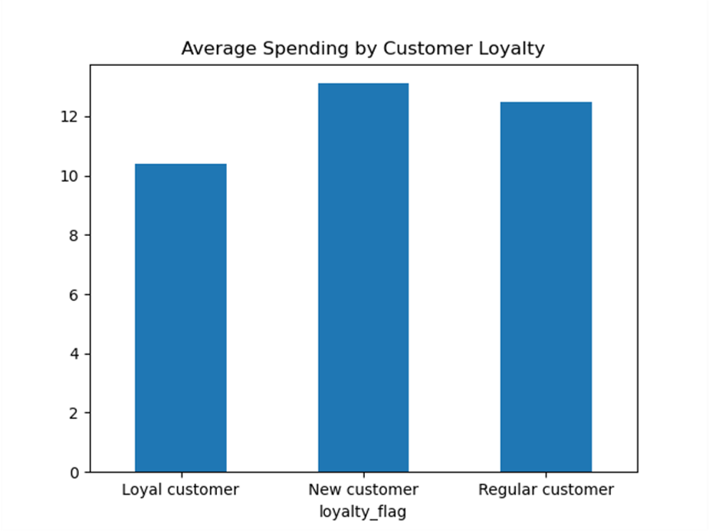

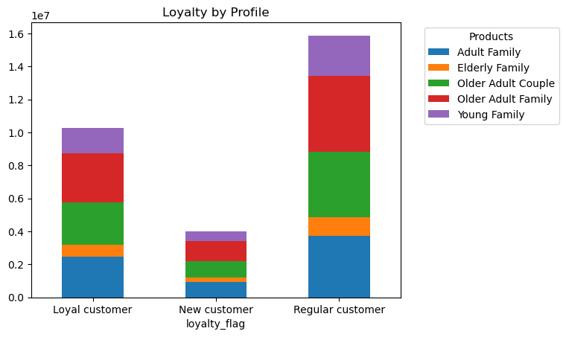

New Customers spend the most. They may have the mindset of using the app only once due to a coupon code for new customers so they order extra to take advantage of the service. Regular customers purchase the most items as seen in the figure on the right.

Are there differences in ordering habits based on customers region?
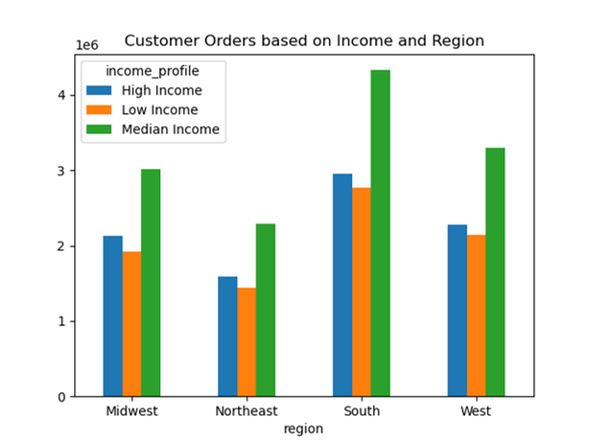
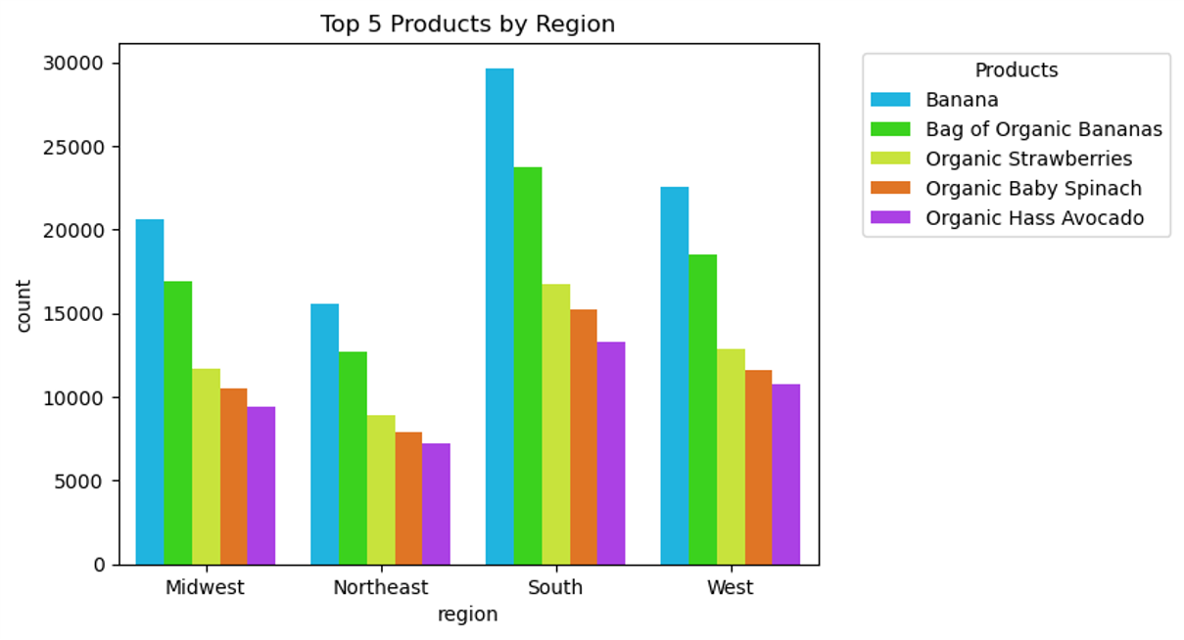
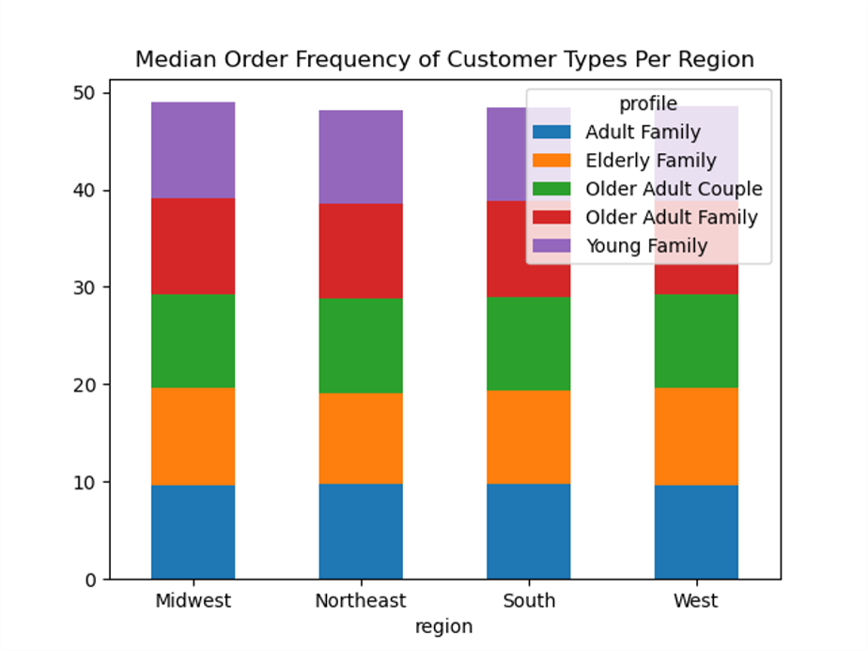 | 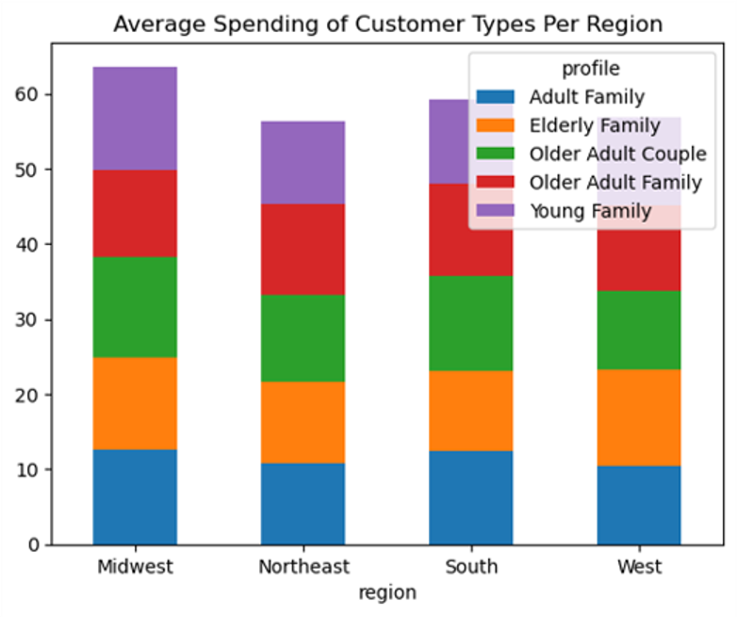

Ordering frequency remains similar amongs the different customer profiles. There is a slight difference in average spending amongs different regions. Overall, the midwest has the highest average spending where adult families and couples and elderly families spend the most on average. In the west, Elderly family spends the most on Instacart. This could be due to lack of publich transformation in the west compared to other parts of the country, Instacart may be the best option for elderly families in this part of the country. In the center graph we see that median income people order the most items in the South and other regions as well. Popular items are the same per region.

What different classifications does income information suggest?
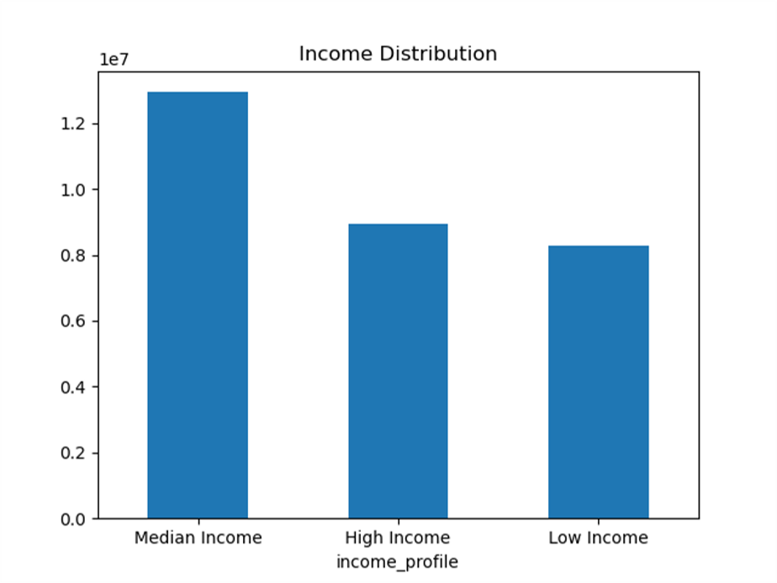
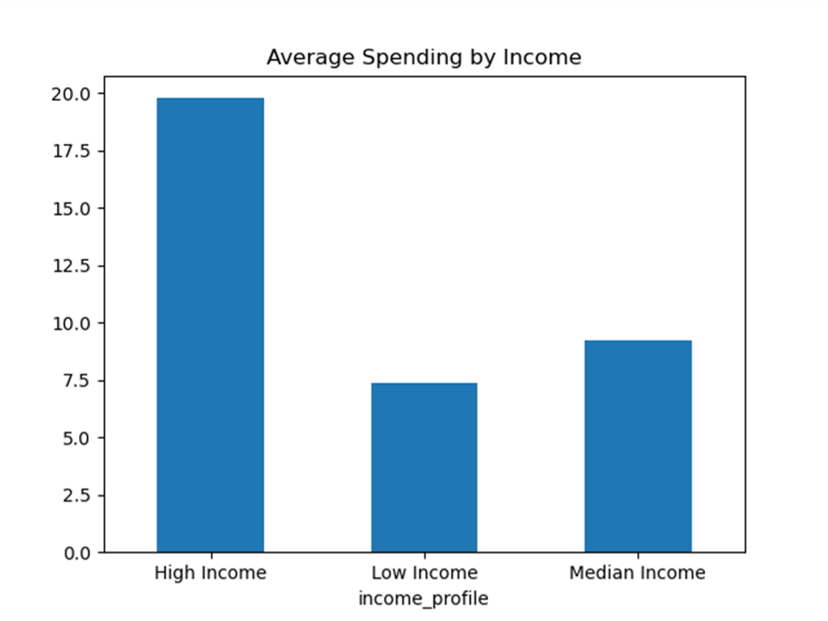
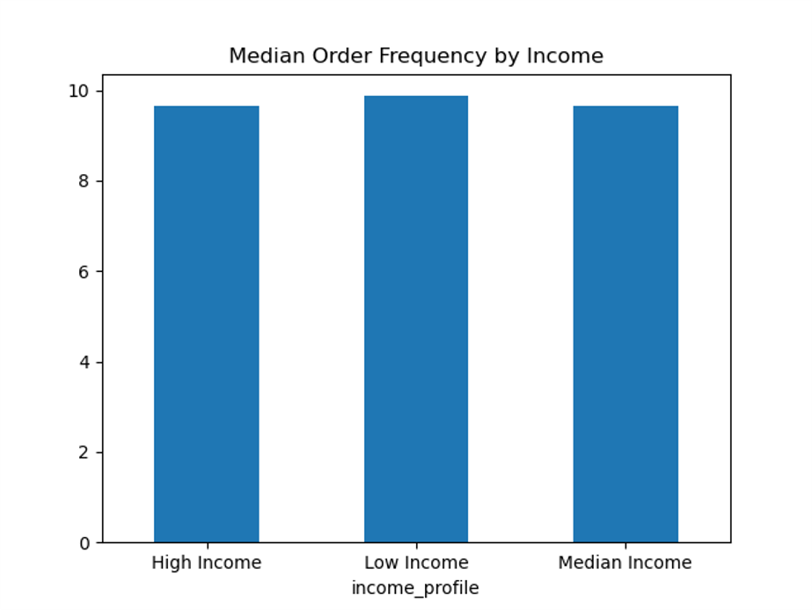
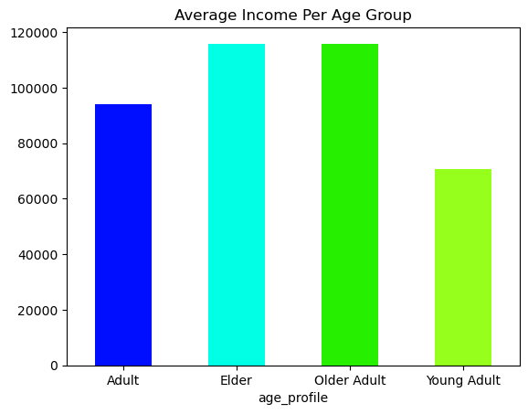

Surprisingly the order frequency is the same amongst income types but the high income earners do spend more on average, as expected. They have more disposable income to spend on services such as Instacart. These are elderly people and older adults. Older adults are instacarts top customer type due to the high income and strong use of technology.

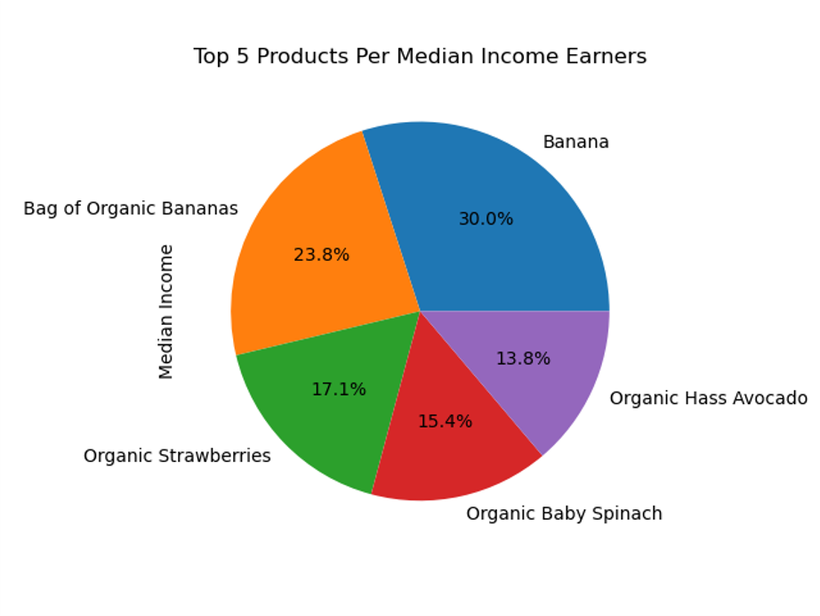
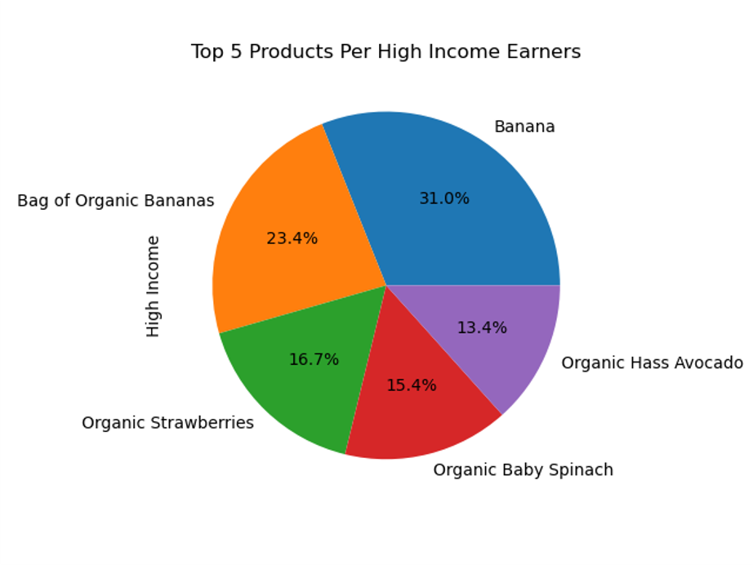
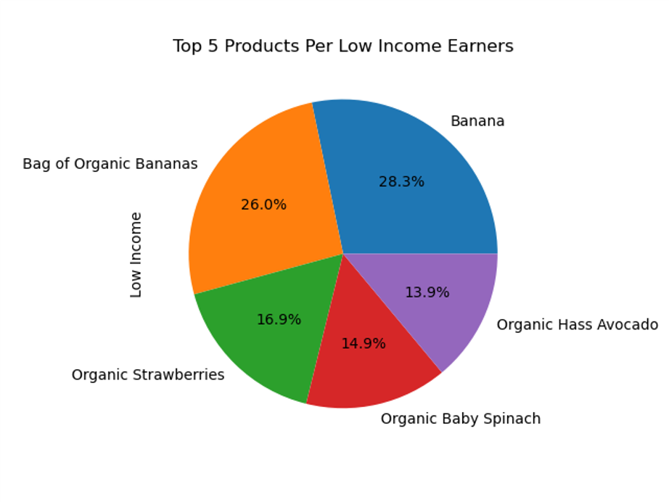

The top 5 products does not change per income type. Produce is prioritized in all income brackets and even organic produce is spent by all income brakets. These items are commonly used in all meals and snacks.

Are there differences in ordering habits based on customers profiles?
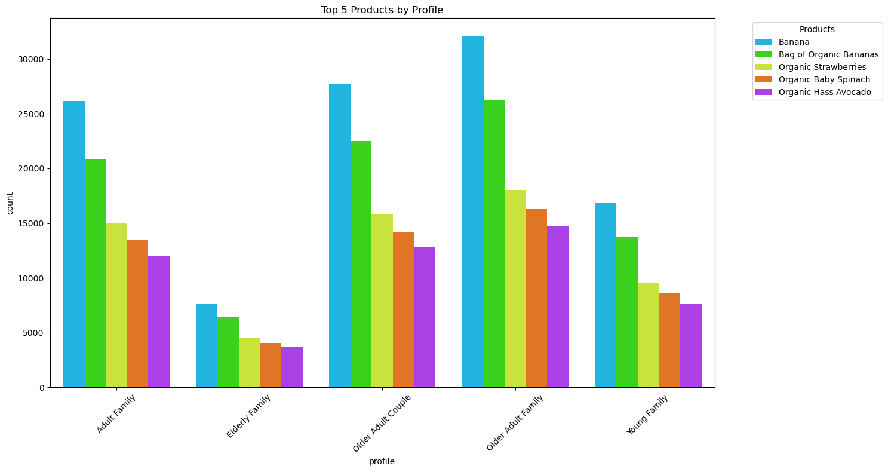
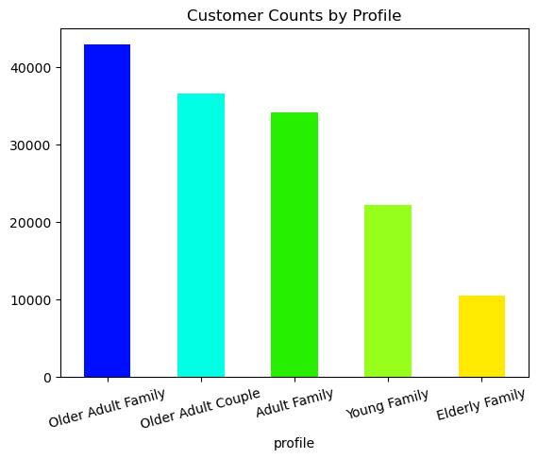

Profile does not affect the top 5 products and the distributions within the profle. Produce and Organic produce is important to all profiles. Older Adult families order these items more due to the stronger customer base associated with them.

Whats the distribution among users in regards to their brand loyalty?
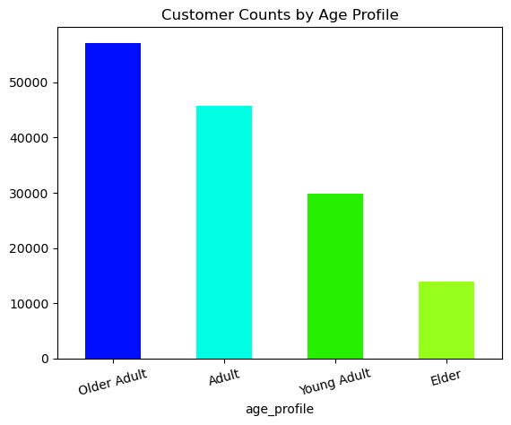

Older Adults and Adults are the most common age groups. This is expected as this age group typically is more settled and hase reliable income. Elderly people are the least common customers of Instacart. This is likely due to a lack of knowledge of the service and some technology limitations.

7. Recommendations
 |  |  | Title page

Recommendations

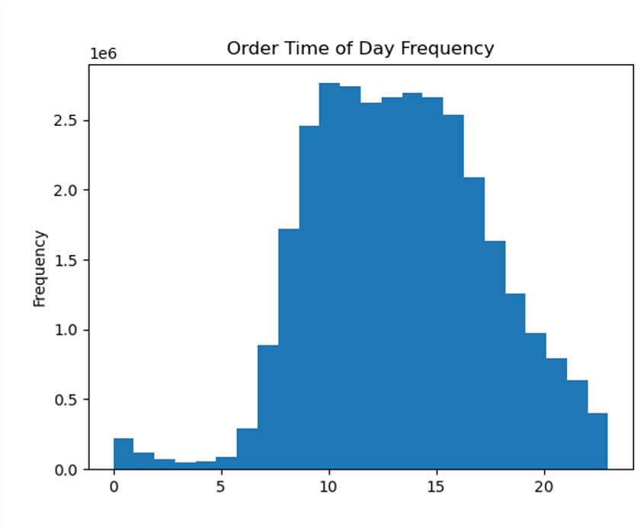
 | What are the busiest days of the week and hours of the day? How can the sales team use this information to strategically send advertisements when there are fewer orders?
 | Offer promotions for sale based on the day: - Sunday: Offer ‘Work-Week’ Lunch Items promotions such as a percentage off of deli meats, produce, and bread to help customers prepare for the upcoming workweek. Peak hours are in the morning so promotions should be offered at that time. - Friday: Offer ‘dinner party’promotions such as a percentage off of items such as produce, meats, wine and other dinner party items. Promotions shoul be offered from 10AM - 3 PM. - Wednesday: A mid week `pick me up coupon` for items that customers may have used up such as eggs, produce, coffee, etc. This will aim to increase sales during the mid-week slump. Offer promotions for sale based on time: - During weekend peak hours vary. During the week it is 10 AM to 3AM but on Saturday and Sunday we see some varaition. Produce is ‘key’: - We consistently see customers purchasing produce items. It would be best to provide produce deals and coupons to ensure that customers get deals on items that they consistently use. Instacart can promote coupons for in-season produce that tends to be a lower price due to surplus, ie citrus in the winter, melons in the summer, strawberries in spring and cranberries in fall and so on. | 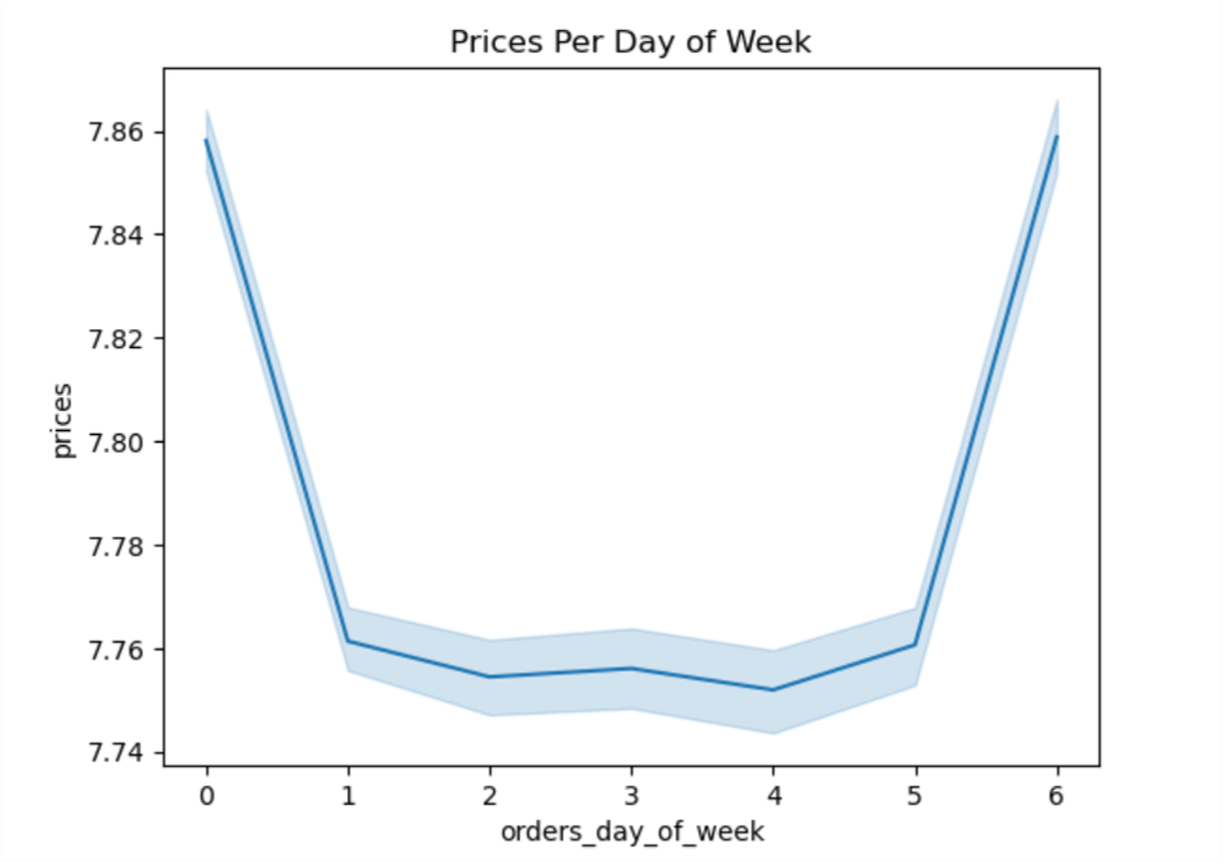
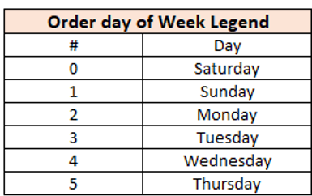 | 
 | Are there particular times of day when people spend the most money? How can the marketing team use this information to advertise during the peak hours?
 | Push notifications during low purchasing times (~10am) to increase traffic during the slow daytime hours: - ‘Lunch-time’ notification to remind customers to purchase items for dinner. - Remind customers of commonly forgotten items such as salt, spices, oil, etc. Advertise high-value items in the early morning hours that customers may not be able to get elsewhere during that time, such as any Rx items, body care items, etc. This will maximize the high prices seen in the morning. | 
 | Are there certain products that are more popular than others?
 | Coupons and specials for: - Popular Items: produce and dairy products to retain customers for the items they really need - Less Popular Items: International, alcohol and bulk to boost sales in those departments. o Also retains customers as it keeps them excited for new items they’ve never seen before Recipe or Newsletter Section within the app: - For less popular items we can provide recipe ideas to get customers to purchase less popular items they are unsure how to use. To mitigate this the Instacart app should have a recipe section with a description, recipe and a list of items that are easy to add to cart. These recipes would contain items needed for the dish including the less popular items. If customers like the recipe, they are likely to repurchase and add something new to their weekly meals. o Use case: For example, many customers may not know how to make mole, a popular Mexican dish cooked in the winter months. Mole would need a certain sauce from the international section to make the dish successfully. | 
 | Are there differences in ordering habits based on loyalty status?
 | Customer Retention as the Goal: - Extend new customer deals, such as free delivery for a certain period. This allows new customers to see the benefits of using Instacart as a service and integrate it into their routines. Many customers would see the value and continue ordering after the initial trial period. It's important to note that the trial length should be determined through A/B testing. This will help identify the optimal time frame that maximizes customer retention while minimizing promotional costs. - Conversion of new customers into regular customers will be a stable order stream even if average spending is lower as regular customers order the most items (below). Increase one-time sales as the Goal: - Attract new customers who have the mindset of using the app once due to a promotion by providing new customer deals such as free delivery. | 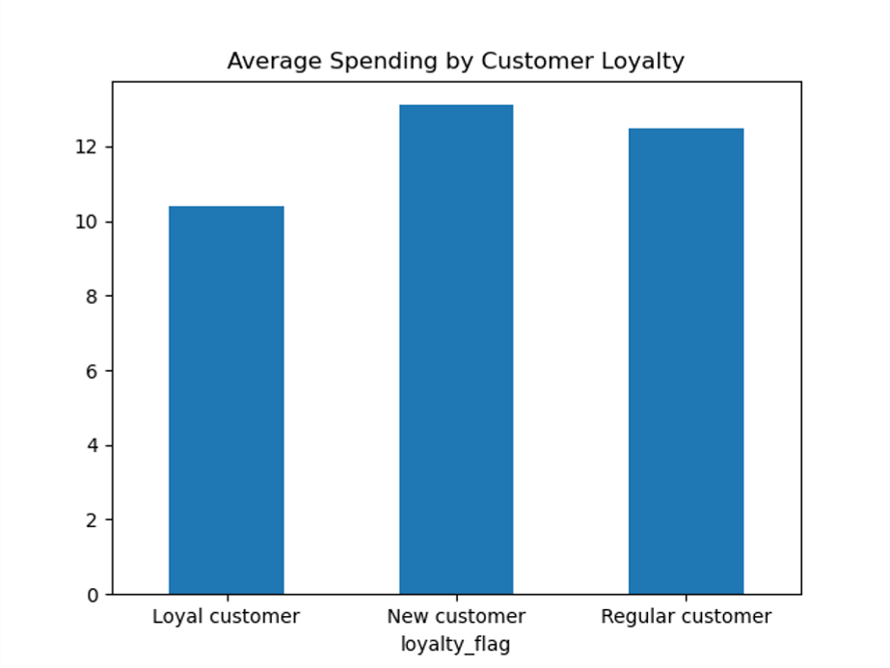

 | Are there differences in ordering habits based on region? How can Instacart use this information to target customers in specific regions?
 | Retention: - Offer notification to elderly and middle income families in the Midwest to retain these customers and perhaps increase the frequency of orders. Increase sales in the Northeast: - Offer new customer deals and promote higher priced items in the Northeastern region of the US where average sales are lower than the rest of the country. | 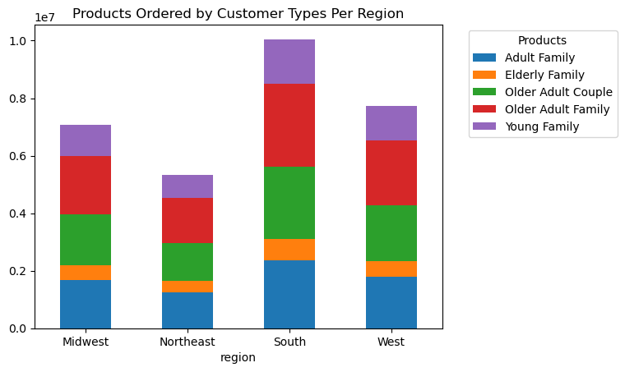 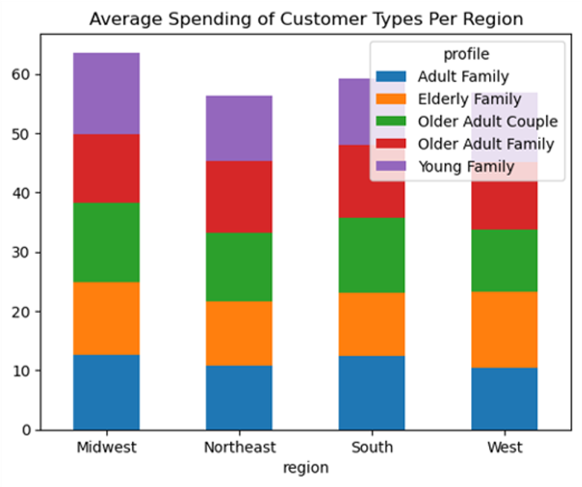
 | What different classifications does income information suggest?
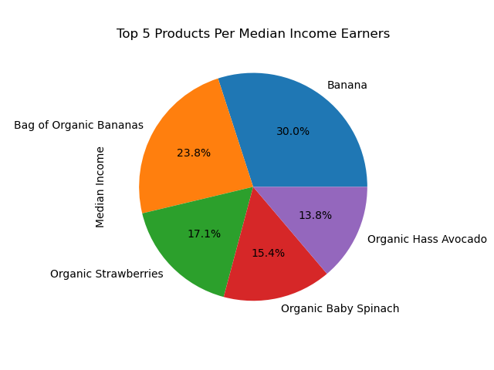
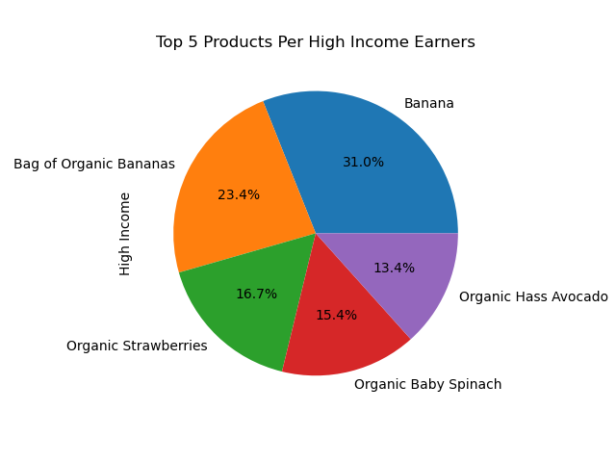
 | Offer discounts on items that are needed among low to middle income households. These tend to be things like produce and dairy. - These customers are less likely to spend on superfluous items so offering better prices than in store on top items would be ideal. - Promotions on dairy/produce would also appeal to higher spending income brackets as these items are a universal need. | 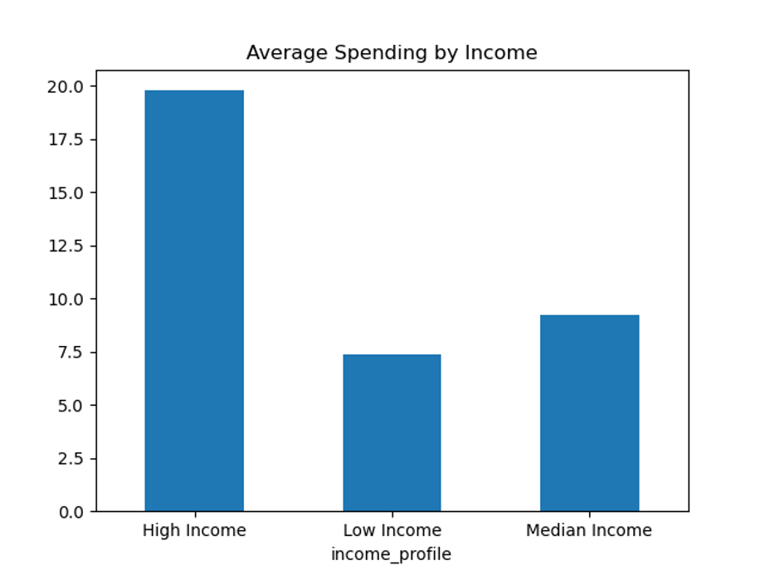



 | Are there differences based on customer profiles? How can we use customer profiles to develop relevant marketing strategies?
 | Top Customer Bases - Older families reign in both average spending and in customer counts. They have higher disposable income so we can market more expensive items to them as they are already higher spending customers. Bottom Customer Bases - Elderly families have the highest average well in the West. I recommend we run advertisements to target elderly families in the west by highlighiting that delivery is ideal for those with lack of transportation or to those who lack mobility. This service could be a great option. Instacart can also start providing an 'in-home' delivery service such as other apps like Walmart+. This could be a great service to elderly/disabled. This could then leach into other regions to increase their proportion if succesful in the West. Produce - Produce is the top product for all customer bases. Coupons and savings in this department would improve sales amongs all customer profiles. | 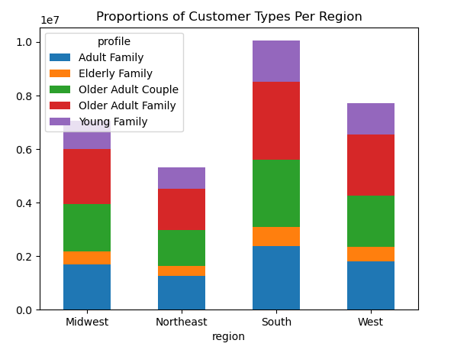  Picture

 | Action Plan
 | As a marketing analyst at Instacart, I conducted a basket analysis to understand customer behavior and preferences, developing a strategy to drive sales and retain customers. Recommendations: - Temporal-Based promotions: The day and time of purchases strongly affect customer behavior. I recommend offering promotions for specialty categories (dinner party, easy lunches, alcohol, in-season produce, etc.) during peak hours to gain popularity with the largest customer base and drive sales. Concurrently, I also reccomend promoting popular items (produce) during off-peak hours to drive sales. Off-peak hours can also include reccomendations for dinner (just before a lunch break) or rarer items in the early morning hours (Rx items). - Empower Customers with knowledge: Many customers may not buy less popular products due to a lack of knowledge on how to use them. Introducing a blog/newsletter/recipes section can teach interested customers how to use these items with delicious recipes. Having the ability to add ingridients directly into their cart from the recipe would make this feature simple and usable for customers. - Customer Retention: Experiment with a new customer trial length to determine the right amount of time a customer needs to see the benefits of using the app. This will help retain customers and maintain a consistent and stable stream of orders. - Regional Gaps: Customers order less items and spend less on average in the Northeast. I reccomend a targeting marketing campaig in this region to increase sales and build a larger customer base. - Customer Segmentation: Based on different customer profiles (income, region, marital status) create targed marketing campaigns to drive those customers to our service. To reiterate, our goals is to use these targeted reccomendation to drive sales and retain customers. This should be an iterative process that we continually analyze and improve as trends change. These tailored marketing e

